Sheet1
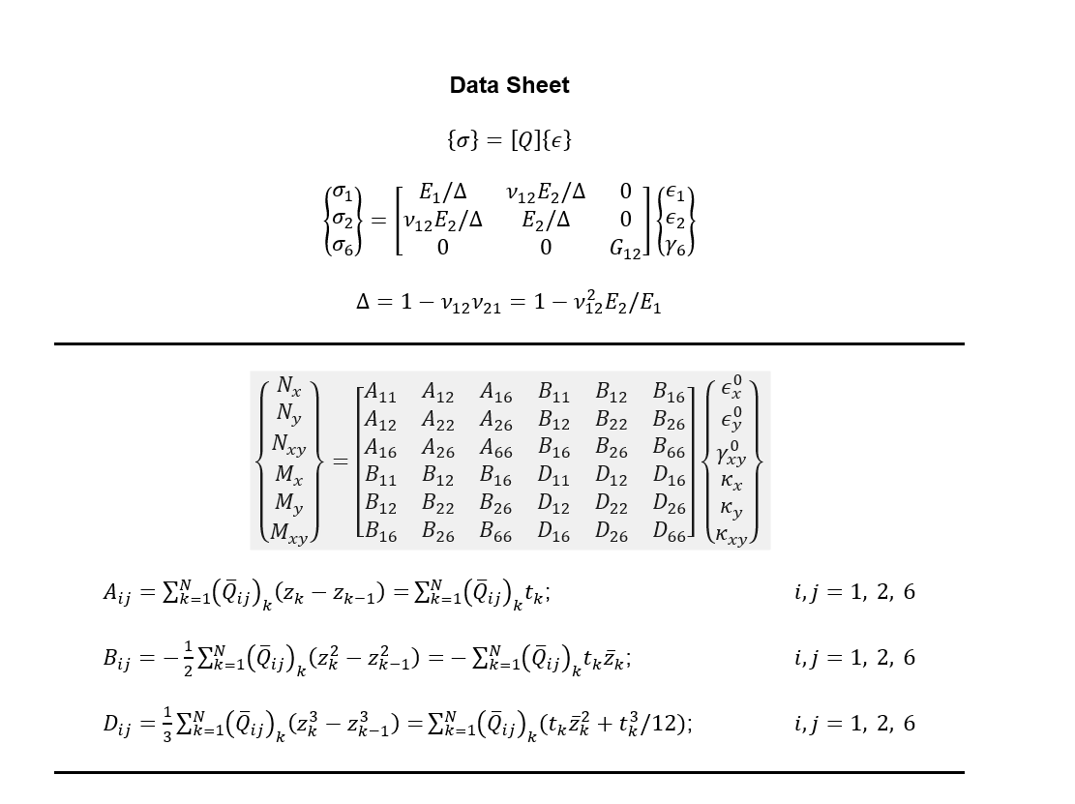
115.95 | 2.81 | 0 | m | n | 36.058616752 | 28.858892941 | 26.918967359 | 16 plies | thick=0.2875 mm | 359.83934668 | 207.67269357 | 61.410576723 | Yellow higlighted is calculation for QIT plate - please see details in word doc.
2.81 | 8.27 | 0 | 0.7071 | 0.7071 |  | 36.058616752 | 26.918967359 |  |  | D11 for QIT | D12 | D16
0 | 0 | 3.6 |  |  |  |  | 29.648862637 |  |  | kN mm
Above is Stiffness Q matrix for QIT |  |  | Above Theta = 45 degree |  | Above is rotated Q matrix by 45 degrees |  |  |  |  | Please see data-sheet below for equations.
115.95 | 2.81 | 0 | m | n | 36.058616752 | 28.858892941 | -26.918967359
2.81 | 8.27 | 0 | 0.7071 | -0.7071 |  | 36.058616752 | -26.918967359
0 | 0 | 3.6 |  |  |  |  | 29.648862637
 |  |  | Above Theta=-45 |  | Above is rotated Q matrix by - 45 degrees
115.95 | 2.81 | 0 | m | n | 115.95 | 2.81 | 0
2.81 | 8.27 | 0 | 1 | 0 |  | 8.27 | 0
0 | 0 | 3.6 |  |  |  |  | 3.6
 |  |  | Above Theta = 0 |  | Above is rotated Q matrix by 0 degrees
115.95 | 2.81 | 0 | m | n | 8.27 | 2.81 | 0
2.81 | 8.27 | 0 | 0 | 1 |  | 115.95 | 0
0 | 0 | 3.6 |  |  |  |  | 3.6
 |  |  | Above Theta = 90 |  | Above is rotated Q matrix by 90 degrees
 |  |  | DD 30 below |  |  |  |  |  |  |  |  |  | Blue highlighted is calculation for DD30
115.95 | 2.81 | 0 | m | n | 69.484627304 | 22.346106525 | 34.590351631 | 16 plies | thick=0.2875 mm | 345.28470257 | 181.25671873 | 8.8635432444
2.81 | 8.27 | 0 | 0.866 | 0.5 |  | 15.651733976 | 12.03303685 |  |  | D11 for DD30
0 | 0 | 3.6 |  |  |  |  | 23.136037007 |  |  | kN mm
 |  |  | Above Theta =30 |  | Above is rotated Q matrix by 30 degrees
115.95 | 2.81 | 0 | m | n | 15.651733976 | 22.346106525 | -12.03303685
2.81 | 8.27 | 0 | 0.5 | -0.866 |  | 69.484627304 | -34.590351631
0 | 0 | 3.6 |  |  |  |  | 23.136037007
 |  |  | Above Theta=-60
115.95 | 2.81 | 0 | m | n | 69.484627304 | 22.346106525 | -34.590351631
2.81 | 8.27 | 0 | 0.866 | -0.5 |  | 15.651733976 | -12.03303685
0 | 0 | 3.6 |  |  |  |  | 23.136037007
 |  |  | Above Theta =-30
115.95 | 2.81 | 0 | m | n | 15.651733976 | 22.346106525 | 12.03303685
2.81 | 8.27 | 0 | 0.5 | 0.866 |  | 69.484627304 | 34.590351631
0 | 0 | 3.6 |  |  |  |  | 23.136037007
 |  |  | Above is theta = 60
 |  |  | DD 45 below |  |  |  |  |  |  |  |  |  | Orange highlighted is calcuation for DD45
115.95 | 2.81 | 0 | m | n | 36.058616752 | 28.858892941 | 26.918967359 | 16 plies | thick=0.2875 mm | 292.48346001 | 234.08410028 | 10.23509612
2.81 | 8.27 | 0 | 0.7071 | 0.7071 |  | 36.058616752 | 26.918967359 |  |  | D11 for DD45
0 | 0 | 3.6 |  |  |  |  | 29.648862637 |  |  | kN mm
 |  |  | Above Theta =45
115.95 | 2.81 | 0 | m | n | 36.058616752 | 28.858892941 | -26.918967359
2.81 | 8.27 | 0 | 0.7071 | -0.7071 |  | 36.058616752 | -26.918967359
0 | 0 | 3.6 |  |  |  |  | 29.648862637
 |  |  | Above Theta=-45
115.95 | 2.81 | 0 | m | n | 36.058616752 | 28.858892941 | -26.918967359
2.81 | 8.27 | 0 | 0.7071 | -0.7071 |  | 36.058616752 | -26.918967359
0 | 0 | 3.6 |  |  |  |  | 29.648862637
 |  |  | Above Theta = -45
115.95 | 2.81 | 0 | m | n | 36.058616752 | 28.858892941 | 26.918967359
2.81 | 8.27 | 0 | 0.7071 | 0.7071 |  | 36.058616752 | 26.918967359
0 | 0 | 3.6 |  |  |  |  | 29.648862637
 |  |  | Above Theta =45

Example 7.8 - p244 - from Matthews and Rawlings |  |  |  |  |  |  |  |  |  | D11 | D12 | D13
138.81 | 2.7 | 0 | m | n | 45.403258281 | 31.203802988 | 32.44875523 | 4 plies | thick=1 mm | 242.15071083 | 166.4202826 | 129.79502092
2.7 | 9.01 | 0 | 0.7071 | 0.7071 |  | 45.403258281 | 32.44875523 |  |  |  |  | kN mm
0 | 0 | 7.1 |  |  |  |  | 35.603634205 | 8 plies | thick=0.5 mm | 242.15071083 | 166.4202826 | 64.89751046
Above Stiffness Q in Example 7.1-2 |  |  | Above is theta =45 |  |  |  |  |  |  |  |  | kN mm
138.81 | 2.7 | 0 | m | n | 45.403258281 | 31.203802988 | -32.44875523 | 16 plies | thick 0.25 mm | 242.15071083 | 166.4202826 | 32.44875523
2.7 | 9.01 | 0 | 0.7071 | -0.7071 |  | 45.403258281 | -32.44875523 |  |  |  |  | kN mm
0 | 0 | 7.1 |  |  |  |  | 35.603634205
 |  |  | Above is theta =-45

